Active Voucher 2025
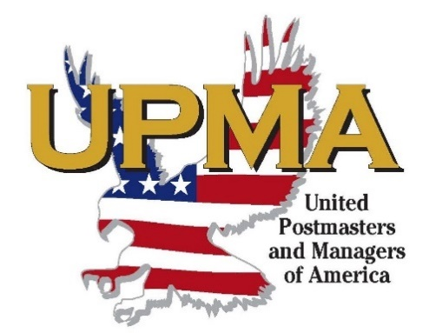
United Postmasters and Managers
of America
Wisconsin Chapter

Pay to the order of: |  |  | Date
(your name & address)

Travel Dates |  |  |  | TOTAL
 |  |  |  | $-
 |  |  |  | $-
 |  |  |  | $-
 |  |  |  | $-
 |  |  |  | $-
 |  |  |  | $-
 |  |  |  | $-
 |  |  |  | $-
 |  |  |  | $-
 |  |  |  | $-
 |  |  |  | $-
Signature & phone number required:

 | (My signature certifies that all expenses I am claiming were on behalf of the association.)

INSTRUCTIONS: READ CAREFULLY
(a) Receipted hotel bill and all public |  | Approved ______________________________________________
transportation expense vouchers must |  | Lisa Wojnarowski, President
accompany each expense report. |  | President Vouchers Approved by; Executive VP

(b) It is required that items of expense be
clearly and correctly described and that they |  | Approved and Paid by ____________________________________
represent moneys actually expended on |  | Pauline Colamatteo, Secretary/Treasurer
official business in behalf of the
Association. |  | ____________ |  | ___________
 |  | Check No. |  | Date
(c) When credit cards are used, receipts are to be
attached to this report. |  | Charge to________________________ AIC______ $___________

Mail or Email Voucher and Receipts to: |  | Charge to________________________ AIC______ $___________
Pauline Colamatteo
pncolamatteo@gmail.com |  | Charge to________________________ AIC______ $___________
22695 Elm St
Conrucopia WI 54827-4720

