Sheet1
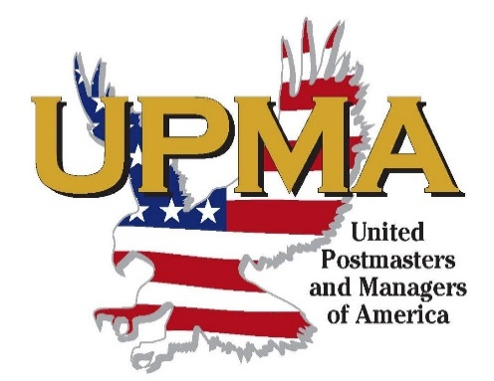
United Postmasters and Managers of America
Wisconsin Chapter, 2024

Pay to the order of: |  |  | Date
(your name & address)

Travel Dates |  |  |  | TOTAL
Miles at 65¢ |  |  |  | $-
Lodging |  |  |  | $-
Meal (inc. tip) |  |  |  | $-
Misc. Expense |  |  |  | $-
Postage |  |  |  | $-
 |  |  |  | $-
 |  |  |  | $-
 |  |  |  | $-
 |  |  |  | $-
 |  |  |  | $-
 |  |  |  | $-
Signature & phone number required:

 | (My signature certifies that all expenses I am claiming were on behalf of the association.)

INSTRUCTIONS: READ CAREFULLY
(a) Receipted hotel bill and all public |  | Approved ________________________________________________
transportation expense vouchers must |  | Melissa Tarlton President
accompany each expense report. |  | President Vouchers Approved by; Executive VP Dean Miller

(b) It is required that items of expense be
clearly and correctly described and that they |  | Approved and Paid by ______________________________________
represent moneys actually expended on |  | Julie Erdmann Secretary/Treasurer
official business in behalf of the
Association. |  | ____________ |  | ____________
 |  | Check No. |  | Date
(c) When credit cards are used, receipts are to be
attached to this report. |  | Charge to________________________ AIC______ $___________

 |  | Charge to________________________ AIC______ $___________
Mail or email Voucher and Receipts to:
 |  | Charge to________________________ AIC______ $___________
Julie Erdmann
Secretary/Treasurer
PO Box 11
Elkhorn WI 53121-0011
juliea@elknet.net |  |  |  | Mar-24

